Application Screen
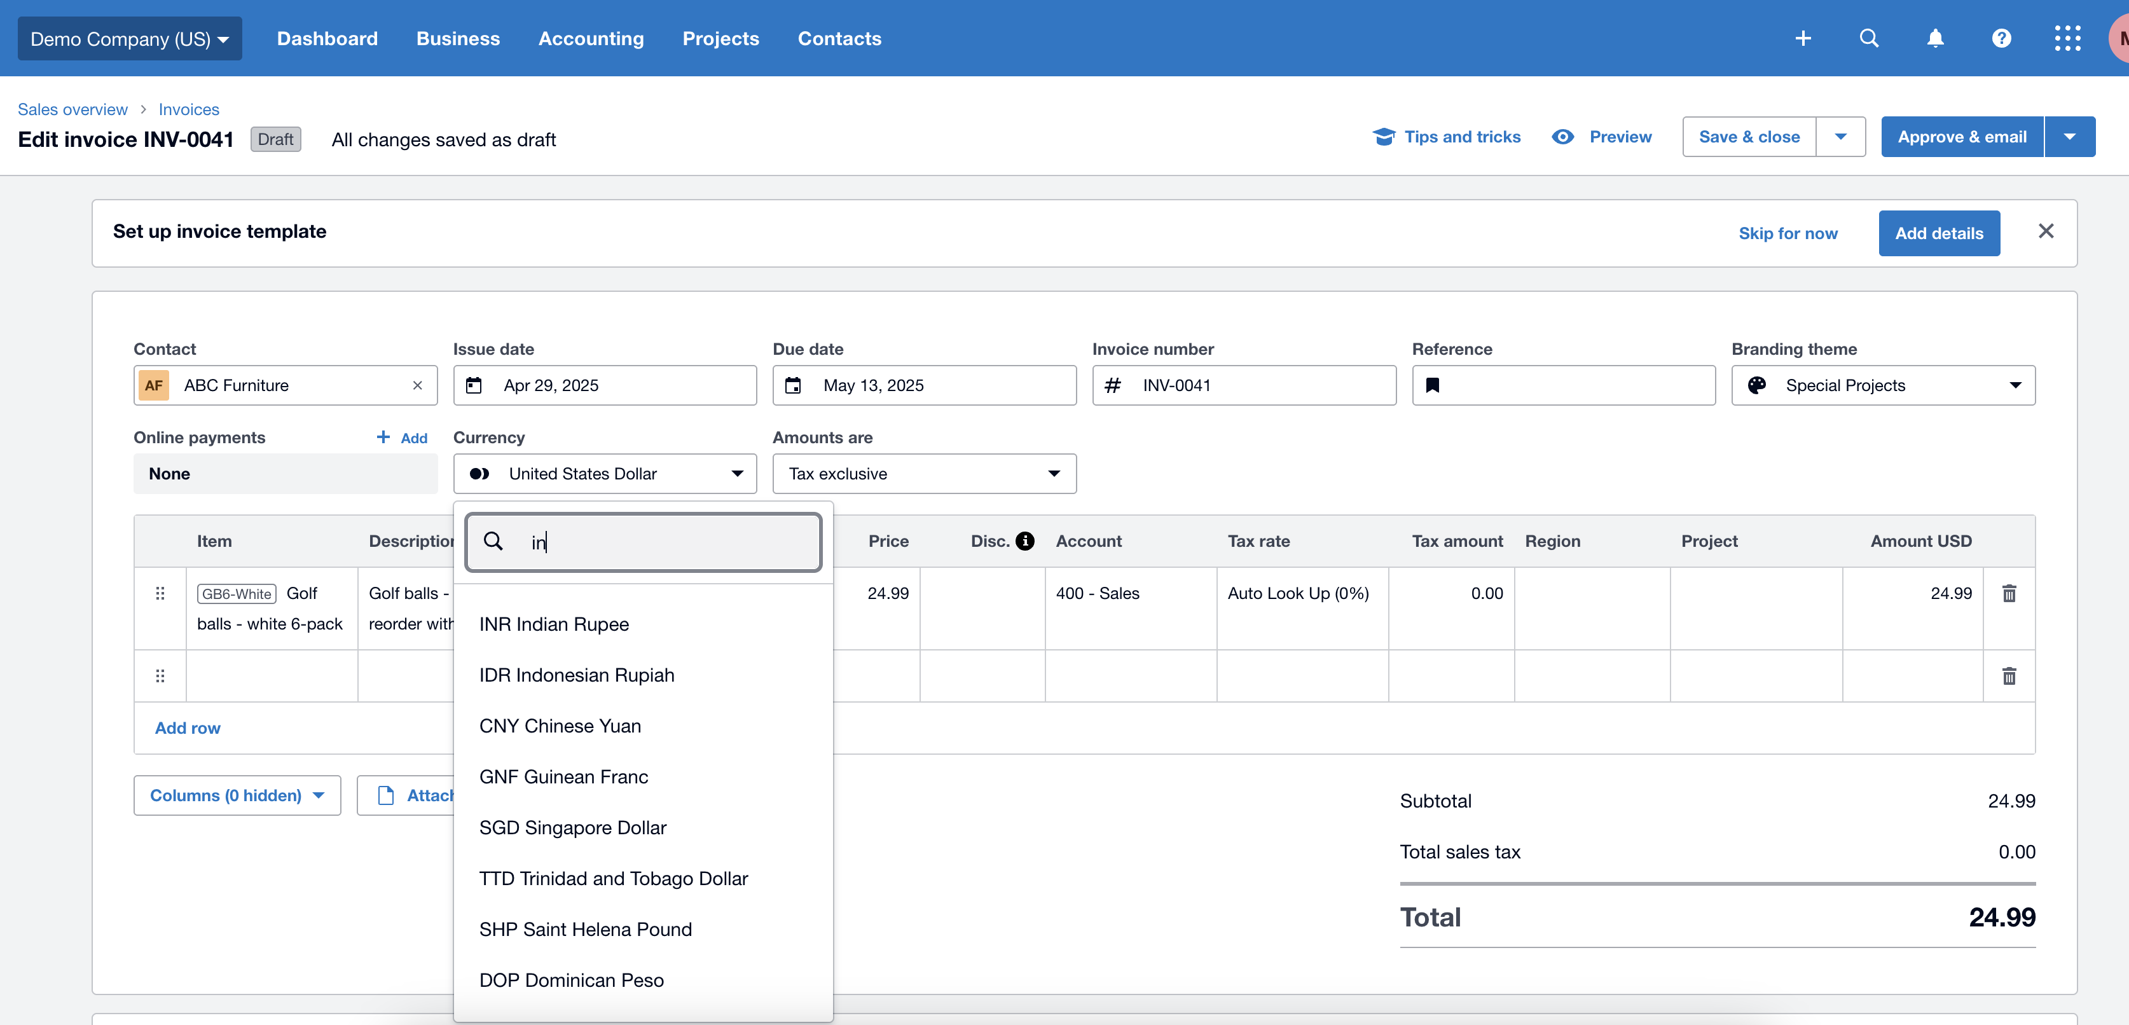

Test Design
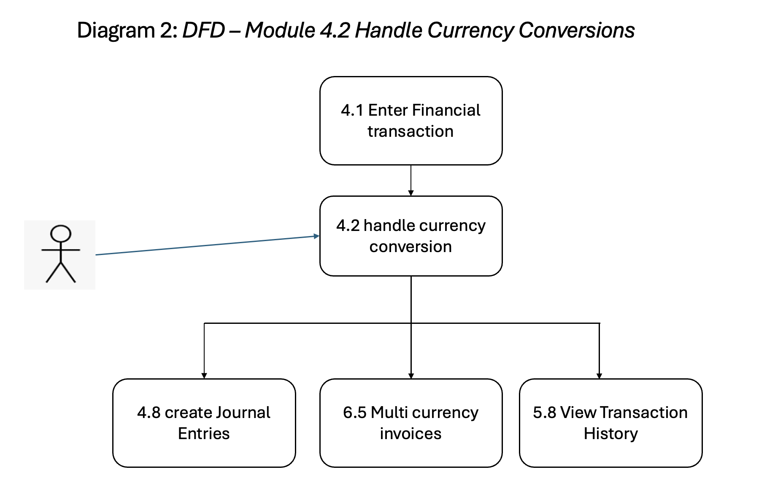
Template Source - IEEE STD.829

User Story title | 4.2 Handle Currency Conversions

Features to be tested | Features to be tested in the context of this use case include: Core Functionality GUI Features ST-Inv - Inv Settings ST-PY - Pay Settings ET-Entitlements FV-Field Validation DDV-Data-Dependency Validation DDD-Data-Driven Defaults CL-Calculations CC-Concurrency CN-Connectivity DF-In DF-Out

Approach refinements (preliminary steps for test design or test execution) | Core Functionality: Validate that the system allows users to select a foreign currency for transactions, automatically fetches the current exchange rate, and correctly converts and displays the amounts in base currency. GUI Features: Ensure dropdowns for currency selection, input fields for manual rate override, and converted value displays are clearly visible and functional on the journal or invoice screen. ST-Inv – Invoice Settings: Check that invoice-specific currency settings (like default currency per customer) are respected when creating and converting invoices. ST-PY – Pay Settings: Confirm that currency-related pay settings, such as payment method compatibility and bank account currency, are correctly integrated. ET – Entitlements: Validate that only authorized users can apply or override exchange rates and use foreign currencies in journal entries or invoices. FV – Field Validation: Test for required fields (e.g., currency, exchange rate) and ensure numeric and format validations for rate values. DDV – Data-Dependency Validation: Ensure that selecting a currency affects available options for accounts, tax rates, or payment methods based on dependencies. DDD – Data-Driven Defaults: Verify that the system populates default currency and rates based on user profile, customer region, or organizational settings. CL – Calculations: Check the accuracy of amount conversion calculations using the current or manually entered exchange rate. CC – Concurrency: Test for consistent behavior when multiple users attempt to update exchange rates or submit currency-based transactions simultaneously. CN – Connectivity: Simulate network interruption while fetching exchange rates or submitting transactions, and verify system behavior under such conditions. DF-In / DF-Out: Ensure that currency data is correctly imported (DF-In) from external sources like bank feeds or third-party APIs and exported (DF-Out) to accounting reports, audit logs, or exte
Webster Dictionary: approach - the taking of preliminary steps toward a particular purpose.

Test identification (test ideas) | TC No | TC Title
 | TC1 | Select Foreign Currency and Validate Auto-Fetched Exchange Rate – Core Functionality
 | TC2 | Validate Currency Dropdown and Exchange Rate Field UI – GUI Features
 | TC3 | Ensure Transaction Status Updates Correctly After Currency Conversion – STS
 | TC4 | Validate Invoice Defaults to Customer Currency – ST-Inv (Invoice Settings)
 | TC5 | Validate Pay Settings for Foreign Currency Accounts – ST-PY (Pay Settings)
 | TC6 | Restrict Exchange Rate Override to Authorized Roles – ET (Entitlements)
 | TC7 | Field Validation – Required Currency Field
 | TC8 | Field Validation – Numeric and Format Check for Exchange Rate
 | TC9 | Dependency Validation – Currency Affects Available Accounts or Tax Rates – DDV
 | TC10 | Auto-Set Default Currency Based on User Profile – DDD (Data-Driven Defaults)
 | TC11 | Verify Accurate Amount Conversions Based on Exchange Rate – CL (Calculations)
 | TC12 | Simultaneous Currency Update by Two Users – CC (Concurrency)
 | TC13 | Handle Network Loss While Fetching Exchange Rates – CN (Connectivity)
 | TC14 | DF-In – Validate Currency Import from External Source (e.g., API or CSV)
 | TC15 | DF-Out – Validate Export of Currency Details in Reports or Logs

Feature pass/fail criteria | A given test case passed testing if all actual results matched the related expected results. If any of the actual results did not match the expected results, the whole test case has the execution status "Fail". This user story passed testing, if all related test cases have been executed and passed testing.

DFD

